Instructions
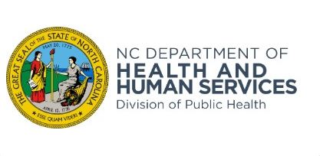 | Local Technical Assistance and Training Branch Instructions for Funds Reimbursement Request
Purpose | Use this form to request reimbursement for continuing education expenses for Management and Supervision for Public Health Professionals
Preparation | Use this form at the completion of course
Name of Participants | Provide name participant used when registering for course
Fiscal Year | Using 4 digits, state the year the request for reimbursement is submitted, e.g. 2024
Name of Public Health Agency | Local health department/district requesting payment
Activity/Course Title | Add additional rows if the number of participants exceeds the number of rows provided for a specific course
Date Course Completed | List the date the participant completed the course
Amount Requested | Amount you are requesting per the Consolidated Agreement for the fiscal year course is completed
Health Director Signature | Health Director must sign for confirmation
Date | Date when Health Director signed form
Contact Person | Name of person responsible for filling out this request with contact telephone # and date
Submit Form to | Faxing or mailing a request is no longer accepted. You must submit via email to publichealthnursing@dhhs.nc.gov
Remit To Address | Address for reimbursement funds to be mailed.
Disposition | This form may be destroyed in accordance with the Records Retention and Disposition Schedule as iussued by the N.C. Division of Archives and History
Accessing this form | This form is available on the following websites:
 | https://publichealth.nc.gov/lhd/
 | https://ncpublichealthnursing.org/continuing-education/

